C8 MinCase
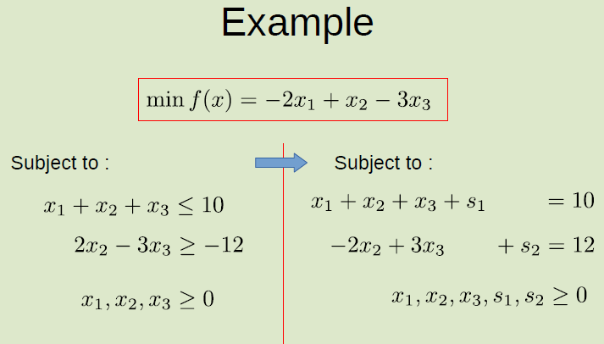
 |  |  | Enter |  | Exit
 | X1 | X2 | X3 | S1 | S2
r1 | 1 | 1 | 1 | 1 | 0 | 10 | 10
r2 | 0 | -2 | 3 | 0 | 1 | 12 | 4
R3 | -2 | 1 | -3 | 0 | 0 | 0

 | Enter |  |  | Exit
r1 = r1-1/3R2 | 1 | 1.6666666667 | 0 | 1 | -0.33333333333 | 6 | 6
R2 = R2/3 | 0 | -0.66666666667 | 1 | 0 | 0.33333333333 | 4 | #DIV/0!
R3 = R2+R3 | -2 | -1 | 0 | 0 | 1 | 12

 | X1 | X2 | X3 | S1 | S2
 | 1 | 1.6666666667 | 0 | 1 | -0.33333333333 | 6
 | 0 | -0.66666666667 | 1 | 0 | 0.33333333333 | 4
R3 = R3 +2 R1 | 0 | 2.3333333333 | 0 | 2 | 0.33333333333 | 24

 | ALL +VE VALUES THEN STOP

 | X1 | 6
 | X2 | 0
 | X3 | 4
 | MIN f(x) | 24

C8 MaxCase-Eg1
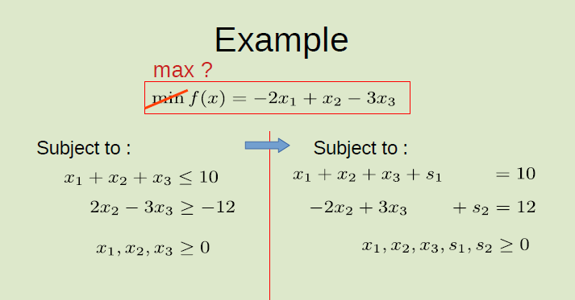
Method 1: Max positive value will be entering |  |  |  |  |  |  |  | Method 2: Change f(x) to -f(x), then -ve value is entering
 |  |  |  |  |  |  |  | **ONLY f(X) multiple "negative", contraint not touch
 |  |  |  |  |  |  |  | (-) f(x) = 2X1 - X2 + 3X3
 |  | Enter |  | Exit |  |  |  |  |  | Enter |  | Exit
 | X1 | X2 | X3 | S1 | S2 |  |  |  | X1 | X2 | X3 | S1 | S2
R1 | 1 | 1 | 1 | 1 | 0 | 10 | 10 | R1 | 1 | 1 | 1 | 1 | 0 | 10 | 10
R2 | 0 | -2 | 3 | 0 | 1 | 12 | -6 | R2 | 0 | -2 | 3 | 0 | 1 | 12 | -6
R3 | -2 | 1 | -3 | 0 | 0 | 0 |  | R3 | 2 | -1 | 3 | 0 | 0 | 0

 | X1 | X2 | X3 | S1 | S2 |  |  |  | X1 | X2 | X3 | S1 | S2
R1 | 1 | 1 | 1 | 1 | 0 | 10 |  | R1 | 1 | 1 | 1 | 1 | 0 | 10
R2 = R2 + 2*R1 | 2 | 0 | 5 | 2 | 1 | 32 |  | R2 = R2 + 2*R1 | 2 | 0 | 5 | 2 | 1 | 32
R3 = R3-R1 | -3 | 0 | -4 | -1 | 0 | -10 |  | R3 = R1 + R3 | 3 | 0 | 4 | 1 | 0 | 10

 | ALL -VE VALUE THEN STOP |  |  |  |  |  |  | ALL +VE VALUES THEN STOP

 | X1 | 0 |  |  |  |  |  | X1 | 0
 | X2 | 10 |  |  |  |  |  | X2 | 10
 | X3 | 0 |  |  |  |  |  | X3 | 0
 | S1 | 0 |  |  |  |  |  | S1 | 0
 | S2 | 32 |  |  |  |  |  | S2 | 32
MAX f(x) | (-) MIN f(x) | 10 |  |  |  |  |  | MAX f(x) | 10

Max-ArtificialVariables
Method 1: Change to -2x2 - 5x3 + s2 = - 6 |  |  |  |  |  |  |  |  | Method 2: To solve this problem, we add a2 .

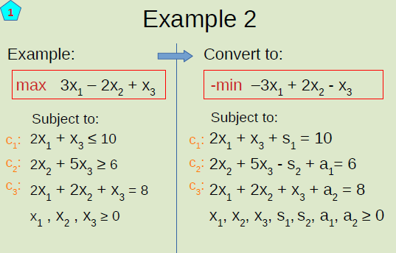
 |  |  |  |  |  |  |  |  |  |  |  | Enter |  |  | Exit
 | X1 | X2 | X3 | S1 | S2 | a1 |  |  |  | X1 | X2 | X3 | S1 | S2 | a1 | a2
R1 | 2 | 0 | 1 | 1 | 0 | 0 | 10 | 5 | R1 | 2 | 0 | 1 | 1 | 0 | 0 | 0 | 10 | 10
R2 | 0 | -2 | -5 | 0 | 1 | 0 | -6 | #DIV/0! | R2 | 0 | 2 | 5 | 0 | -1 | 1 | 0 | 6 | 1.2
R3 | 2 | 2 | 1 | 0 | 0 | 1 | 8 | 4 | R3 | 2 | 2 | 1 | 0 | 0 | 0 | 1 | 8 | 8
R4 | -3 | 2 | -1 | 0 | 0 | 0 | 0 |  | R4 | -3 | 2 | -1 | 0 | 0 | 0 | 0 | 0
R5 | -2 | -2 | -1 | 0 | 0 | 0 | -16 |  | R5 | -2 | -4 | -6 | 0 | 1 | 0 | 0 | -14

 | X1 | X2 | X3 | S1 | S2 | a1 |  |  |  | X1 | X2 | X3 | S1 | S2 | a1 | a2
R1 | 2 | 0 | 1 | 1 | 0 | 0 | 10 |  | R1 | 2 | 0 | 1 | 1 | 0 | 0 | 0 | 10
R2 | 0 | -2 | -5 | 0 | 1 | 0 | -6 |  | R2 = R2/5 | 0 | 0.4 | 1 | 0 | -0.2 | 0.2 | 0 | 1.2
R3 = r3/2 | 1 | 1 | 0.5 | 0 | 0 | 0.5 | 4 |  | R3 | 2 | 2 | 1 | 0 | 0 | 0 | 1 | 8
R4 | -3 | 2 | -1 | 0 | 0 | 0 | 0 |  | R4 | -3 | 2 | -1 | 0 | 0 | 0 | 0 | 0
R5 | -2 | -2 | -1 | 0 | 0 | 0 | -16 |  | R5 | -2 | -4 | -6 | 0 | 1 | 0 | 0 | -14

 |  |  |  |  |  |  |  |  |  | Enter |  |  |  |  |  | Exit
 | X1 | X2 | X3 | S1 | S2 | a1 |  |  |  | X1 | X2 | X3 | S1 | S2 | a1 | a2
R1 = R1+R5 | 0 | -2 | 0 | 1 | 0 | 0 | -6 |  | R1 = R1-R2 | 2 | -0.4 | 0 | 1 | 0.2 | -0.2 | 0 | 8.8 | 4.4
R2 | 0 | -2 | -5 | 0 | 1 | 0 | -6 |  | R2 | 0 | 0.4 | 1 | 0 | -0.2 | 0.2 | 0 | 1.2 | #DIV/0!
R3 | 1 | 1 | 0.5 | 0 | 0 | 0.5 | 4 |  | R3 = R3-R2 | 2 | 1.6 | 0 | 0 | 0.2 | -0.2 | 1 | 6.8 | 3.4
R4 = R4+3R3 | 0 | 5 | 0.5 | 0 | 0 | 1.5 | 12 |  | R4 = R2 + R4 | -3 | 2.4 | 0 | 0 | -0.2 | 0.2 | 0 | 1.2
R5 = R5+2R3 | 0 | 0 | 0 | 0 | 0 | 1 | -8 |  | R5 = R5 + 5 R2 | -2 | -1.6 | 0 | 0 | -0.2 | 1.2 | 0 | -6.8

 |  |  |  |  |  |  |  |  |  | X1 | X2 | X3 | S1 | S2 | a1 | a2
 |  |  |  |  |  |  |  |  | R1 | 2 | -0.4 | 0 | 1 | 0.2 | -0.2 | 0 | 8.8
 |  |  |  |  |  |  |  |  | R2 | 0 | 0.4 | 1 | 0 | -0.2 | 0.2 | 0 | 1.2
 |  |  |  |  |  |  |  |  | R3 = R3/2 | 1 | 0.8 | 0 | 0 | 0.1 | -0.1 | 0.5 | 3.4
 |  |  |  |  |  |  |  |  | R4 = R2 + R4 | -3 | 2.4 | 0 | 0 | -0.2 | 0.2 | 0 | 1.2
 |  |  |  |  |  |  |  |  | R5 = R5 + 5 R2 | -2 | -1.6 | 0 | 0 | -0.2 | 1.2 | 0 | -6.8

 |  |  |  |  |  |  |  |  |  | X1 | X2 | X3 | S1 | S2 | a1 | a2
 |  |  |  |  |  |  |  |  | R1 = R1 - 2R3 | 0 | -2 | 0 | 1 | 0 | 0 | -1 | 2
 |  |  |  |  |  |  |  |  | R2 | 0 | 0.4 | 1 | 0 | -0.2 | 0.2 | 0 | 1.2
 |  |  |  |  |  |  |  |  | R3 | 1 | 0.8 | 0 | 0 | 0.1 | -0.1 | 0.5 | 3.4
 |  |  |  |  |  |  |  |  | R4 = R4+3R3 | 0 | 4.8 | 0 | 0 | 0.1 | -0.1 | 1.5 | 11.4
 |  |  |  |  |  |  |  |  | R5 = R5 + 2R3 | 0 | 0 | 0 | 0 | 0 | 1 | 1 | 0

 |  |  |  |  |  |  |  |  |  | X1 | 3.4
 |  |  |  |  |  |  |  |  |  | X2 | 0
 |  |  |  |  |  |  |  |  |  | X3 | 1.2
 |  |  |  |  |  |  |  |  |  | S1 | 0
 |  |  |  |  |  |  |  |  |  | S2 | 0
 |  |  |  |  |  |  |  |  |  | a1 | 0
 |  |  |  |  |  |  |  |  |  | a2 | 0

 |  |  |  |  |  |  |  |  |  | MAX F(X) | 11.4

ExeQ1 - Max
Method 1: Max positive value will be entering |  |  |  |  |  |  |  |  | Method 2: Change f(x) to -f(x), then -ve value is entering
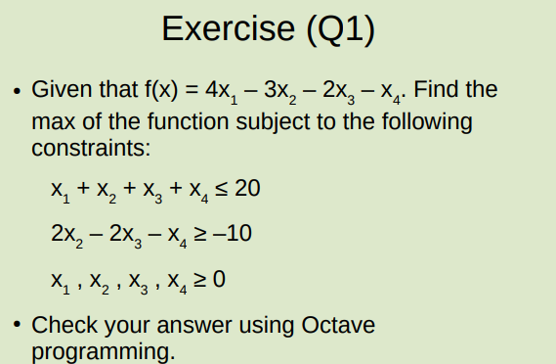
 | Enter |  |  |  | Exit
 | X1 | X2 | X3 | X4 | S1 | S2 |  |  |  | X1 | X2 | X3 | X4 | S1 | S2
R1 | 1 | 1 | 1 | 1 | 1 | 0 | 20 | 20 | R1 | 1 | 1 | 1 | 1 | 1 | 0 | 20 | 20
R2 | 0 | -2 | 2 | 1 | 0 | 1 | 10 | #DIV/0! | R2 | 0 | -2 | 2 | 1 | 0 | 1 | 10 | #DIV/0!
R3 | 4 | -3 | -2 | -1 | 0 | 0 | 0 |  | R3 | -4 | 3 | 2 | 1 | 0 | 0 | 0

 | X1 | X2 | X3 | X4 | S1 | S2 |  |  |  | X1 | X2 | X3 | X4 | S1 | S2
R1 | 1 | 1 | 1 | 1 | 1 | 0 | 20 |  | R1 | 1 | 1 | 1 | 1 | 1 | 0 | 20
R2 | 0 | -2 | 2 | 1 | 0 | 1 | 10 |  | R2 | 0 | -2 | 2 | 1 | 0 | 1 | 10
R3 = R3-4R1 | 0 | -7 | -6 | -5 | -4 | 0 | -80 |  | R3 = R3+4R1 | 0 | 7 | 6 | 5 | 4 | 0 | 80

 | All -ve values, stop |  |  |  |  |  |  |  |  | All +ve values, stop

 | X1 | 20 |  |  |  |  |  |  |  | X1 | 20
 | X2 | 0 |  |  |  |  |  |  |  | X2 | 0
 | X3 | 0 |  |  |  |  |  |  |  | X3 | 0
 | X4 | 0 |  |  |  |  |  |  |  | X4 | 0
 | S1 | 0 |  |  |  |  |  |  |  | S1 | 0
 | S2 | 0 |  |  |  |  |  |  |  | S2 | 0

 | min f(x) | -80 |  |  |  |  |  |  |  | max f(x) | 80
 | max f(x) | 80

ExeQ2 - Min
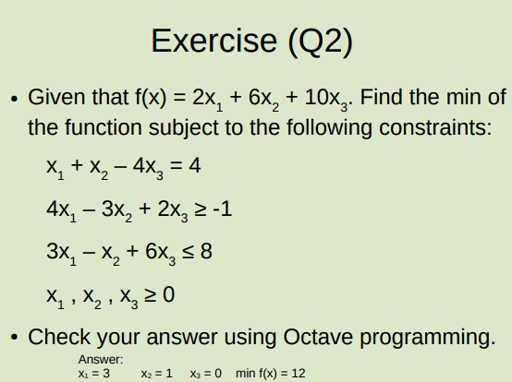
 | Enter |  |  |  | Exit
 | X1 | X2 | X4 | S1 | S2 | a1
R1 | 1 | 1 | -4 | 0 | 0 | 1 | 4 | 4
R2 | -4 | 3 | -2 | 1 | 0 | 0 | 1 | -0.25
R3 | 3 | -1 | 6 | 0 | 1 | 0 | 8 | 2.6666666667
R4 | 2 | 6 | 10 | 0 | 0 | 0 | 0
R5 | -1 | -1 | 4 | 0 | 0 | 0 | -4

 | X1 | X2 | X4 | S1 | S2 | a1
R1 | 1 | 1 | -4 | 0 | 0 | 1 | 4
R2 | -4 | 3 | -2 | 1 | 0 | 0 | 1
R3 = R3/3 | 1 | -0.33333333333 | 2 | 0 | 0.33333333333 | 0 | 2.6666666667
R4 | 2 | 6 | 10 | 0 | 0 | 0 | 0
R5 | -1 | -1 | 4 | 0 | 0 | 0 | -4

 | X1 | X2 | X4 | S1 | S2 | a1
R1 = R1-R3 | 0 | 1.3333333333 | -6 | 0 | -0.33333333333 | 1 | 1.3333333333 | 1
R2 = R2+4R3 | 0 | 1.6666666667 | 6 | 1 | 1.3333333333 | 0 | 11.666666667 | 7
R3 | 1 | -0.33333333333 | 2 | 0 | 0.33333333333 | 0 | 2.6666666667 | -8
R4 = R4-2R3 | 0 | 6.6666666667 | 6 | 0 | -0.66666666667 | 0 | -5.3333333333
R5 = R5+R3 | 0 | -1.3333333333 | 6 | 0 | 0.33333333333 | 0 | -1.3333333333

 |  |  |  |  |  |  |  |  | -1.3333333333
 | X1 | X2 | X4 | S1 | S2 | a1 |  |  | 1.6666666667
R1 = 3/4R1 | 0 | 1 | -4.5 | 0 | -0.25 | 0.75 | 1
R2 | 0 | 1.6666666667 | 6 | 1 | 1.3333333333 | 0 | 11.666666667
R3 | 1 | -0.33333333333 | 2 | 0 | 0.33333333333 | 0 | 2.6666666667
R4 | 0 | 6.6666666667 | 6 | 0 | -0.66666666667 | 0 | -5.3333333333
R5 | 0 | -1.3333333333 | 6 | 0 | 0.33333333333 | 0 | -1.3333333333

 | X1 | X2 | X4 | S1 | S2 | a1
R1 | 0 | 1 | -4.5 | 0 | -0.25 | 0.75 | 1
R2 = R1 - 3/5R1 | 0 | 0 | -8.1 | -0.6 | -1.05 | 0.75 | -6
R3 = R1 + 3R3 | 3 | 0 | 1.5 | 0 | 0.75 | 0.75 | 9
R4 = R1 - 3/20R4 | 0 | 0 | -5.4 | 0 | -0.15 | 0.75 | 1.8
R5 = R1 + 3/4R5 | 0 | 0 | 0 | 0 | 0 | 0 | 0

